Navigation
SmartPLS report
Please cite the use of SmartPLS: Ringle, C. M., Wende, S., and Becker, J.-M. 2022. "SmartPLS 4." Oststeinbek: SmartPLS GmbH, http://www.smartpls.com.
 | complete
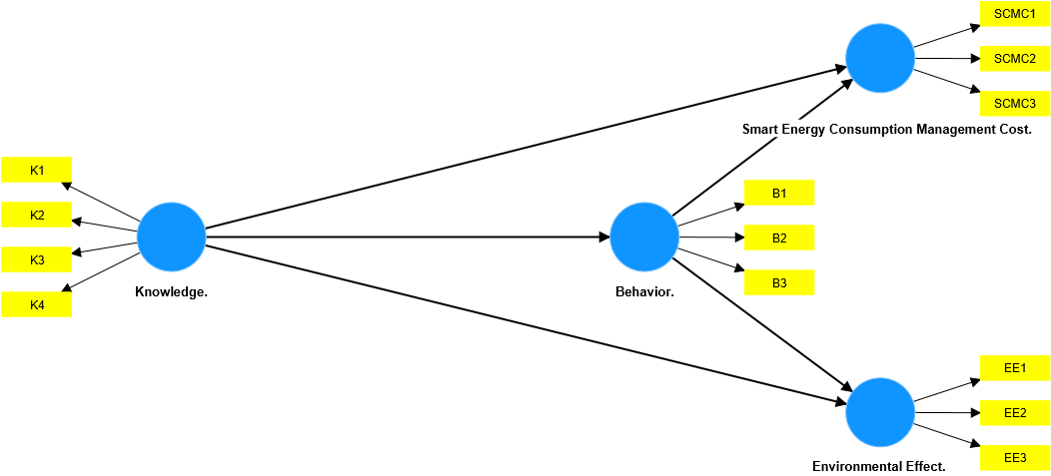
Final results
Path coefficients
Total indirect effects
Specific indirect effects
Total effects
Outer loadings
Outer weights

Algorithm
Setting
Execution log

Histograms
Path coefficients histogram
Indirect effects histogram
Total effects histogram
Outer weights histogram

Model and data
Inner model
Outer model
Indicator data (original)
Indicator data (standardized)

